StatClac
Test Case ID | Test Case Title | Description | Precondition | Test Steps | Expected Result | Actual Result | Status | Photo.Steps
TC_01 | Page Navigation and UI Elements | Verify that the user can open StatCalc from the main page and select the Unmatched Case-Control module. | Epi Info installed; main page is open | 1) From the Epi Info main page, click 'StatCalc'. 2) Select 'Unmatched Case-Control'. | Unmatched Case-Control window appears with no errors. |  | Pass | 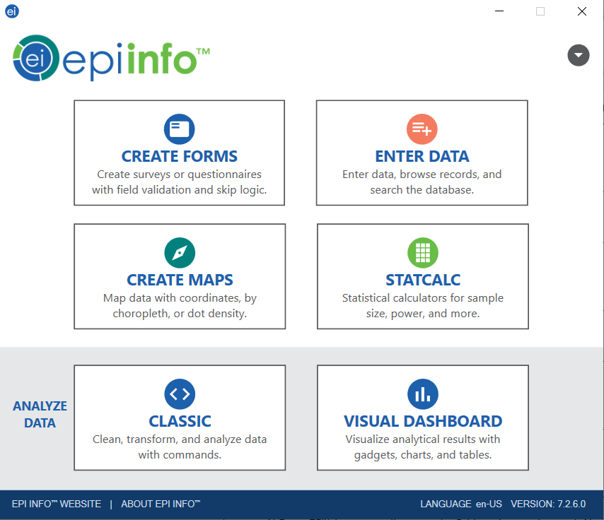 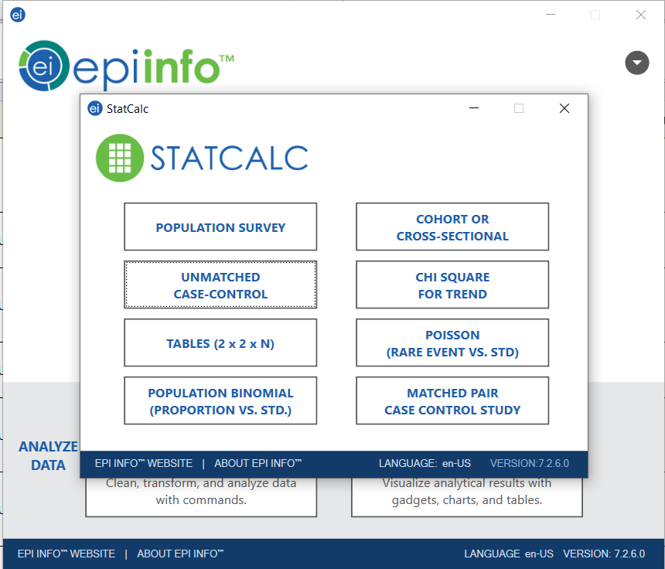 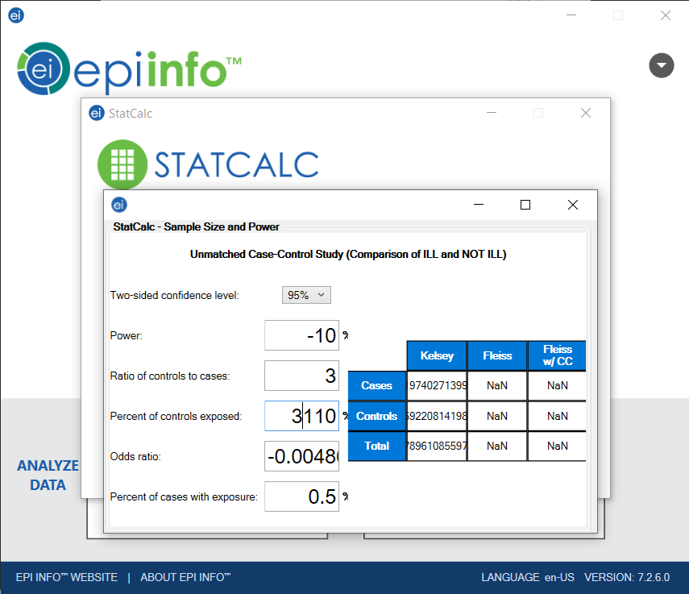
TC_02 | Confidence Level Dropdown | Ensure the user can select the desired two-sided confidence level (e.g., 95%). | Unmatched Case-Control window is open | 1) Locate the 'Two-sided confidence level' dropdown. 2) Select '95%'. | Dropdown updates to '95%' with no errors. |  | Pass | 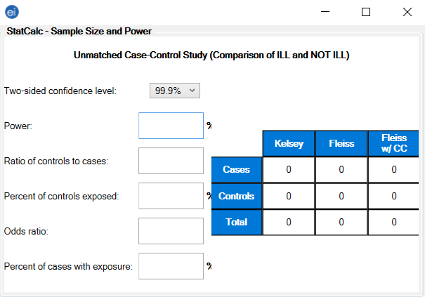 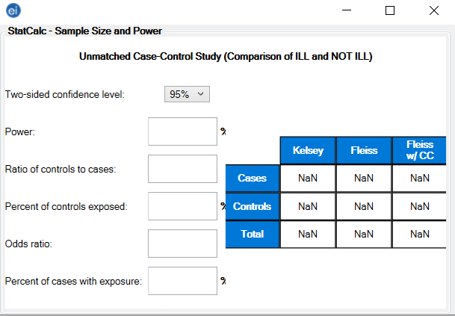
TC_03 | Power Input | Check that the user can enter the desired Power percentage (e.g., 80%). | Unmatched Case-Control window is open | 1) Locate the 'Power' input field. 2) Enter '80'. | Field updates to '80%' with no validation errors. |  | Pass | 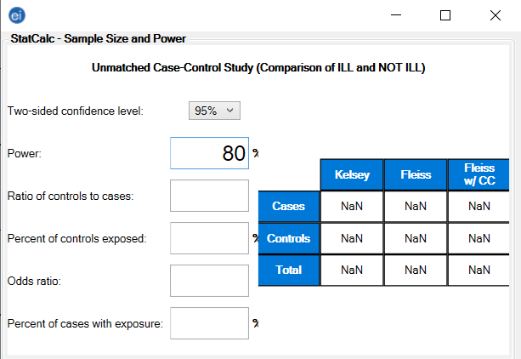
TC_04 | Ratio of Controls to Cases | Ensure the user can enter a ratio of controls to cases (e.g., 3). | Unmatched Case-Control window is open | 1) Locate 'Ratio of controls to cases'. 2) Enter '3'. | Field updates to '3' with no errors. |  | Pass | 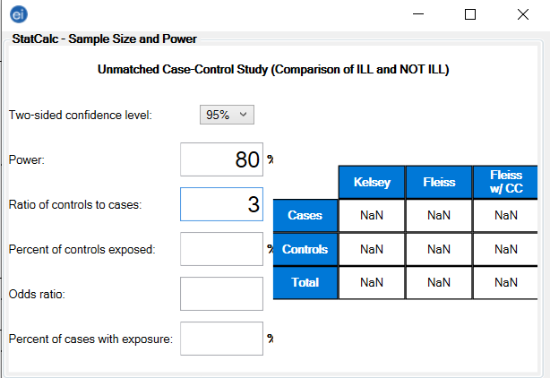
TC_05 | Percentage Outcome in Unexposed Group | Check that the user can set the percentage outcome for the unexposed group (e.g., 75%). | Unmatched Case-Control window is open | 1) Locate 'Percent outcome in unexposed group'. 2) Enter '75'. | Field updates to '75%' with no errors. |  | Pass | 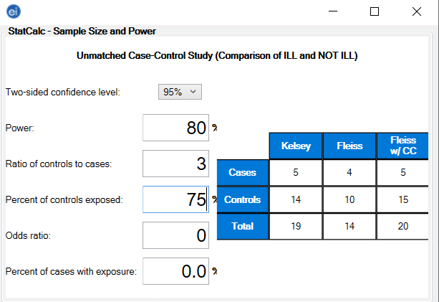
TC_06 | Percentage Outcome in Exposed Group | Check that the user can set the percentage outcome for the exposed group (e.g., 25%). | Unmatched Case-Control window is open | 1) Locate 'Percent outcome in exposed group'. 2) Enter '25'. | Field updates to '25%' with no errors. |  | Pass | 
TC_07 | Automatic Odds Ratio Calculation | Ensure the application auto-calculates the Odds ratio based on unexposed/exposed percentages. | Valid inputs for unexposed (75%) and exposed (25%) | 1) Enter 75% (unexposed). 2) Enter 25% (exposed). 3) Observe the Odds ratio field. | Odds ratio populates automatically (around 0.1111). | No manual action is needed to trigger calculation. | Pass
TC_08 | Output Table Display | Verify that Kelsey, Fleiss, and Fleiss with CC sample size estimates are displayed. | All required fields have valid entries | 1) Enter Confidence Level, Power, Ratio, and Percent outcomes. 2) Observe the output table. | Three sample size columns appear with numeric values (Cases, Controls, Total).
TC_09 | Boundary/Negative Input Handling | Ensure the application handles invalid inputs (e.g., negative numbers, >100% for power or percentages) gracefully. | Unmatched Case-Control window is open | 1) Enter -10 in Power field. 2) Enter 110 in unexposed percentage. 3) Observe any error messages. | Application should reject invalid inputs or show a validation message. | No crash or unhandled exception occurs.
TC_10 | Performance and Responsiveness | Check that the application remains responsive and updates calculations quickly even with rapid input changes. | Unmatched Case-Control window is open | 1) Rapidly change Confidence Level, Power, Ratio, and percentages. 2) Observe UI responsiveness. | UI remains responsive; calculations update within an acceptable time (<1-2 seconds).
TC_11 | Accessibility and Screen Reader Compatibility | Verify that fields and labels are accessible via screen reader and keyboard navigation. | Unmatched Case-Control window is open; screen reader available | 1) Use keyboard (Tab) to navigate fields. 2) Listen to screen reader announcements. 3) Attempt data entry with keyboard only. | All fields are announced properly; user can complete tasks without a mouse. | Meets basic WCAG/ARIA guidelines.

